Instructions
Email_Notification
If you would like to receive a notification of your Report run end status
For multiple email addresses split it with a pipe “|”
Run_Date
Specify this to run it on only one date
Run_Day
Specify repeat runs
Daily
Beginning – start of the month
Beginning:3 – 3rd day of the month
End – end of the month
Work_Days_Only
Restrict report to run on Work_Days_Only
Y – scheduler will delay the report to run on a work day
N – scheduler will whatever date is specified in Run_Date or Run_Day
Add entries to the SAS dataset rn_cntl.public_holidays if you would like it to exclude public holidays as well
Report_ID
Must be Unique numeric
Report_Name
Must provide a Report Name
Depends_On
Put a number in here to signify which Report_ID your report is dependent on
Multiple dependencies must be split by a pipe “|”
Log_Location
Where you want your logs saved to
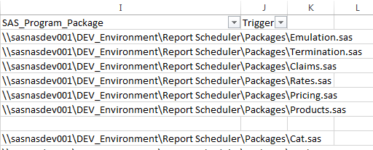
SAS_Program_Package
Specify the SAS program you’d like to run
Trigger
If the Report needs to wait for the arrival of a trigger/file specify the directory and file here
Use a network path here
Report will wait indefinitely until the trigger arrives

Hash Run_Group 2
HASHOFHASHES
 | RUN_GROUP | 1 | 2 | 3 | 4 | 5 | 6 | 7 | 8 | 9 | 10 | 11 | 12 | 13 | 14 | 15 | 16

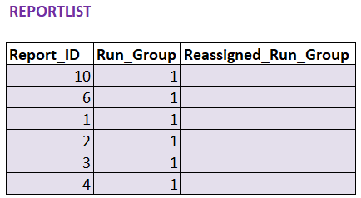

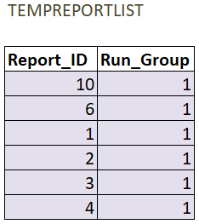

HASHOFHASHES
 | RUN_GROUP | 1 | 2 | 3 | 4 | 5 | 6 | 7 | 8 | 9 | 10 | 11 | 12 | 13 | 14 | 15 | 16

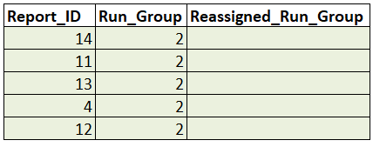

HASHOFHASHES
 | RUN_GROUP | 1 | 2 | 3 | 4 | 5 | 6 | 7 | 8 | 9 | 10 | 11 | 12 | 13 | 14 | 15 | 16

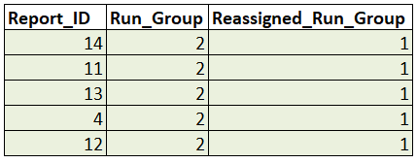
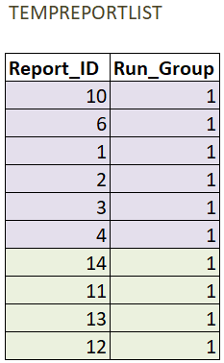

HASHOFHASHES
 | RUN_GROUP | 1 | 2 | 3 | 4 | 5 | 6 | 7 | 8 | 9 | 10 | 11 | 12 | 13 | 14 | 15 | 16

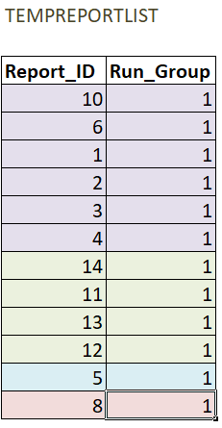

HASHOFHASHES
 | RUN_GROUP | 1 | 2 | 3 | 4 | 5 | 6 | 7 | 8 | 9 | 10 | 11 | 12 | 13 | 14 | 15 | 16

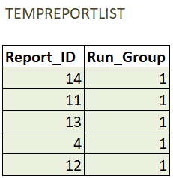

HASHOFHASHES
 | RUN_GROUP | 1 | 2 | 3 | 4 | 5 | 6 | 7 | 8 | 9 | 10 | 11 | 12 | 13 | 14 | 15 | 16
 | REASSIGNED | 1 | 1 | 1 | 1 | 5 | 6 | 7 | 8 | 9 | 10 | 11 | 12 | 13 | 14 | 15 | 16

